Zero Hidden Layear
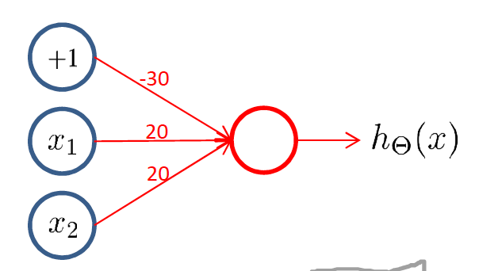
input |  | matrix of weights |  |  | output
x |  |  |  |  |  | hΘ(x)
x1 | x2 | Θ(1) |  |  | z(1) | y
0 | 0 | 30 | -20 | -20 | 30 | 1
1 | 0 |  |  |  | 10 | 1
1 | 1 |  |  |  | -10 | 0
0 | 1 |  |  |  | 10 | 1
… | … |  |  |  | … | …

One Hidden Layear
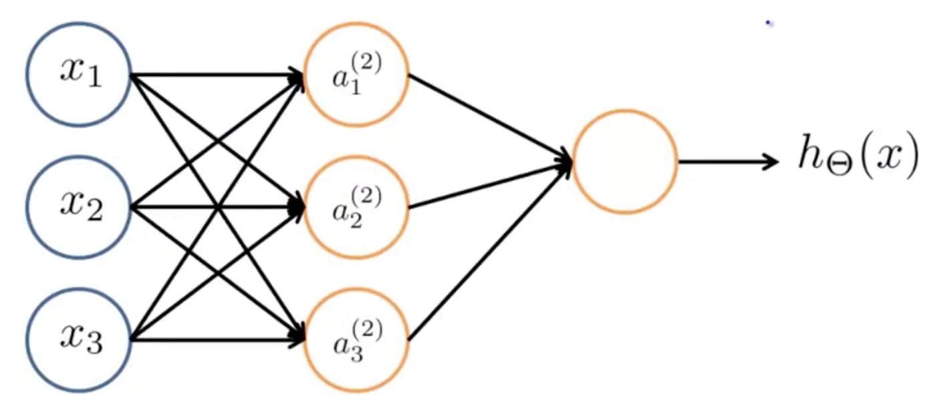
input leayer #1 |  | hidden leayer #2 |  |  |  |  |  |  | output leayer #3
input |  | matrix of weights |  |  |  |  | activation |  | matrix of weights |  |  |  | output

x1 | x2 | Θ(1) |  |  | z(2) |  | a(2) |  | Θ(2) |  |  | z(3) | hΘ(x)
0 | 0 | 30 | 10 | -60 | 30 | -30 | 1 | 0 | 10 | -30 | 20 | -20 | 0
1 | 0 | -30 | 20 | 10 | 40 | -10 | 1 | 0 |  |  |  | -20 | 0
1 | 1 |  |  |  | -20 | 0 | 2.0611536182E-09 | 1 |  |  |  | 20 | 1
0 | 1 |  |  |  | -30 | -20 | 9.3576229688E-14 | 0 |  |  |  | 10 | 1
… | … |  |  |  | … |  | … | … |  |  |  | … | …

